Options descriptions
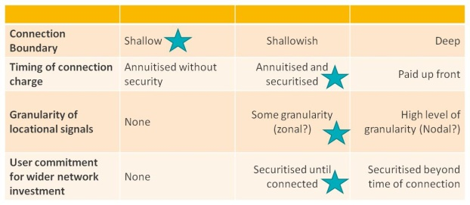
C1-A Existing Transmission | Description
 | Broadly similar to existing arrangement at Transmission level. Shallow connection boundary and locational signal allow user behaviour to be influenced as system costs change over time and better facilitates capacity trading/reallocation. Securitisation requirements can be a barrier for smaller users.

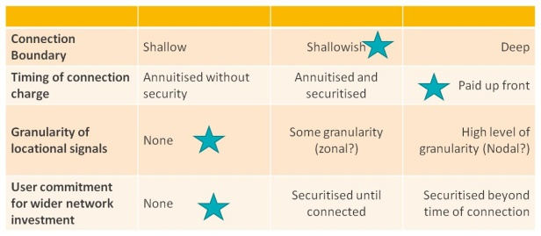
C1-B Existing Distribution | Description
 | Broadly similar to existing arrangement at Distribution level. There is some granularity of locational charges due to there being 14 DNOs but this is not caused by design of the charging framework. A minority of customers (EHV) do have locational charges. Less volatility in locational charges but no forward looking locational signal to influence behaviour. More difficult to facilitate capacity trading/reallocation.

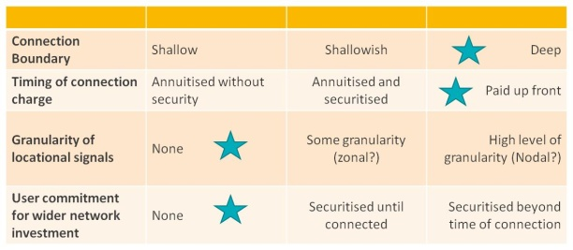
C1-C Strong Connection Charging | Description
 | Similar to the arrangement that existed at distribution level for DG connections prior to 2005. Whilst it gives a strong initial locational signal, up front costs can be so high that no connections take place. There is no incentive to release capacity that is not needed nor any ability to allocate risk between connetee and wider body of users.

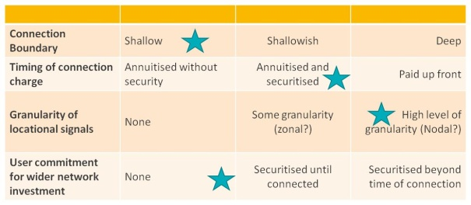
C1-D Strong Usage Charging | Description
 | ‘Nodal’ type locational signal due to either difficulty of defining zones or this being impractical due to the multi voltage layers at distribution level. Annual payment to recover connection charge but no securitisation of wider works. Provides forward looking price signals but highly granular locational signals can be volatile and hard to predict and lack of user commitment can lead to speculative applications reducing the efficiency of capacity allocation.

C2-A - Temporal Signals | Description
 | There are stong tariffs that have a high degree of locational and temporal granularity. There are no options for reallocation of capacity rights in this option. For example: tariffs could be nodal and change every 30mins

C2-B - Balancing Mechanism | Description
 | Access can be sold and bought in the short term between users and networks. This could be through a type of extended balancing mechanism across both transmission and distribution. There are no locational and temporal signals in this option.

C2-C - Full Range of Operational Signals | Description
 | There are a range of singnals designed to influence user behavior.: - A form of extended balancing mechanism across T&D for ST trading of access rights between users and netowkrs - Users can trade M-LT access rights with other users -There are tariffs that vary temporaly and locationaly. They are not very strong and may be set by zones for 3 hour periods for example.

C2-D - Bilateral Trading | Description
 | Users are able to trade their access rights in the ST&LT with other users. Trades are bilateral between parties. This allows unused or less valued capacity to be used by other parties. There are no locational or temporal tariffs with this option.

C2-E - Market Trading | Description
 | Users are able to trade their access rights in the ST&LT with other users. Trades are made within open markets. This allows unused or less valued capacity to be used by other parties. There are no locational or temporal tariffs with this option.

