Scenario framework
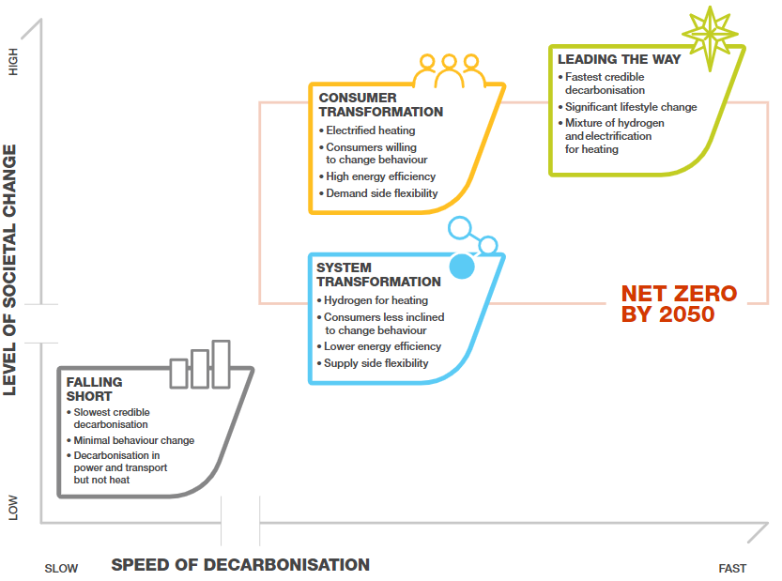
FES 2022 Scenario Overview

