Annex 2
Row No. | Site Name | Direct or Difference Metering | Final Demand description | Final Demand calculation | Diagram
Description from Annex 1 | Unique name for the site | Please confirm if the Final Demand at the site is to be identified with direct metering, difference or a combination of both | Please describe what the Final Demand exists at the site | Please explain how to calculate the volume of Final Demand at the site. | Please provide a Single Line Diagram (SLD) that clearly shows; 1. the configuration of the site and the ownership boundary 2. The location of any Final Demand 3. The location and name of meters and BMUs. This can be drawn below or attached separately.
Example | Acacia Avenue Storage Facility | Direct metering only | Connection of a factory located at the site | T_ACCAV-D only. No addition or subtraction of metering is required. | 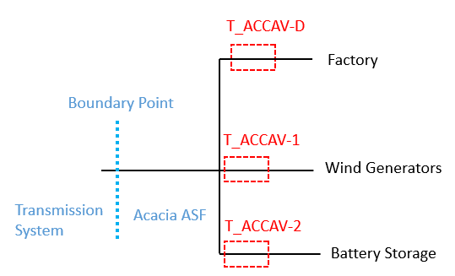
1 | 0
2 | 0
3 | 0
… | 0
n | 0

