Scenario framework
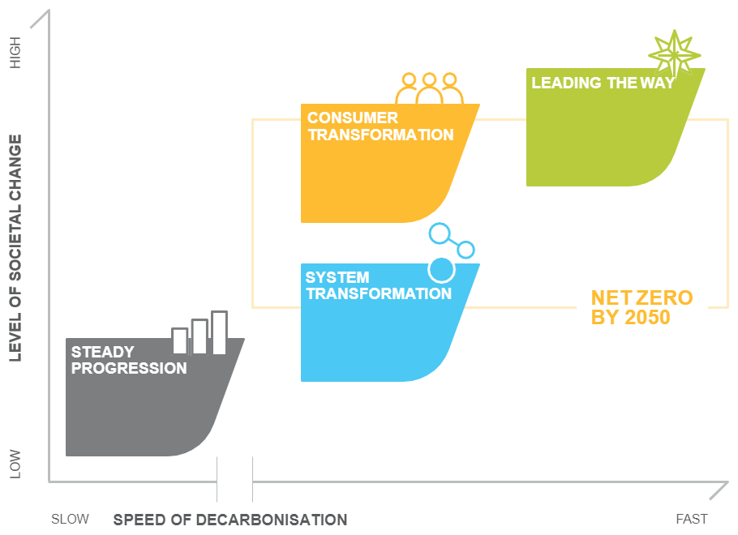
FES 2020 Scenario Overview

