Scenario overview
FES 2019 Scenario Overview

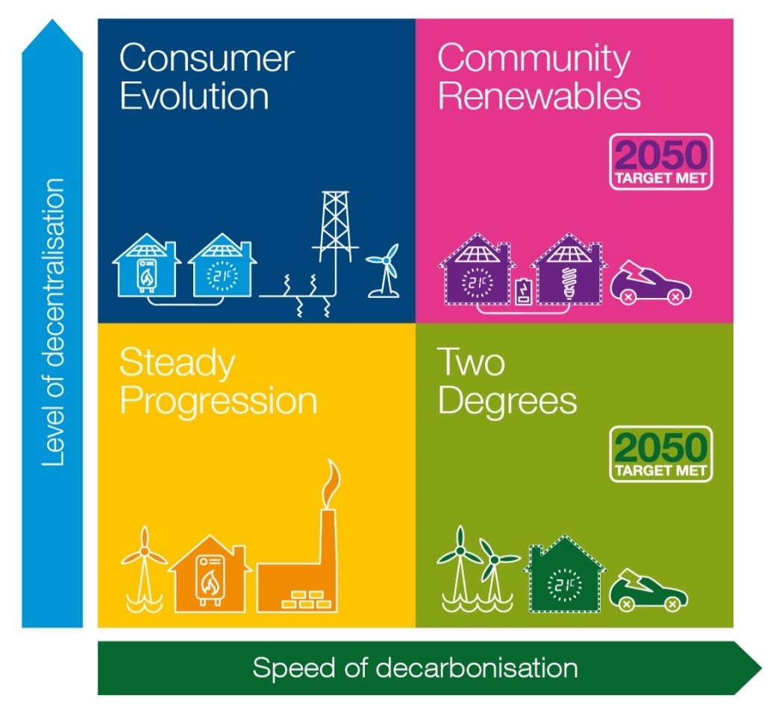

The main Future Energy Scenarios document contains a description of this 2x2 matrix and the two axes.

